Languages
Test Cases for Languages tab around Profile feature in Project Mars
Test case ID | Test Case | Pre-Conditions | Test Steps | Test Data | Expected Results | Actual Result | Status | Screenshots
TC_001 | Verify that user is able to access Languages tab on profile page | User already have an account | 1. Open the URL and then click on 'Sign In' link 2. Enter email address and password 3. Click on Login Button 4. Verify 'Languages' tab on profile page | URL- http://localhost:5003/Home Valid email & password | 1. User should be able to click on 'Sign In' link 2. User should be able to enter email and password 3. User should be able to click on Login button 4. User should be able to access Languages tab on profile page when logged in | Same as expected | Pass
TC_002 | Verify that user is able to add a new Language | 1. User must be logged in 2. Languages tab should be visible on Profile page | 1. Click on 'Add New' button on Languages tab 2. Add any Language in textfield, say 'French' 3. Choose Language Level from dropdown list, say 'Basic' 4. Click on 'Add' button | Language- French Language Level- Basic | 1. User should be add to click Add new button 2. User should be able to add text in language textfield 3. User should be able to choose language level from dropdown 4. User should be able to click on 'Add' button and - Validate that new Language should be added successfully | Same as expected | Pass | 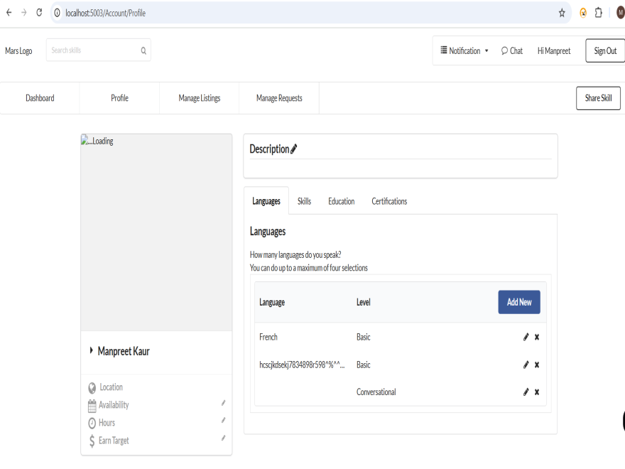
TC_003 | Verify that user is able to update an existing Language | 1. User must be logged in 2. Languages tab should be visible on Profile page 3. Existing language with language level should be present | 1. Click on 'Update' button corresponding to any existing Language 2. Update Language in textfield, say 'English' to 'Spanish' 3. Update Language Level from dropdown list, say 'Fluent' 4. Click on 'Update' button | Existing Language- English Existing Language Level- Conversational New Language- Spanish New Language Level- Fluent | 1. User should be add to click Update button corresponding to existing language 2. User should be able to update new language in language textfield 3. User should be able to update new language level from dropdown 4. User should be able to click on 'Update' button and - Validate that existing Language should be updated successfully | Same as expected | Pass
TC_004 | Verify that user is able to delete an existing Language | 1. User must be logged in 2. Languages tab should be visible on Profile page 3. Existing language with language level should be present | 1. Click on 'Delete' button corresponding to any existing Language | Language- Spanish Language Level- Fluent | 1. User should be able to click on Delete button corresponding to existing language and - Validate that particular language should be deleted from your languages | Same as expected | Pass
TC_005 | Verify that an error message is displayed while saving a new Language with empty fields | 1. User must be logged in 2. Languages tab should be visible on Profile page | 1. Click on 'Add New' button on Languages tab | Language- " " Language Level- " " | 1. User should be add to click Add new button and - Validate that 'Please enter language and level' error should be displayed on the page | Same as expected | Pass
TC_006 | Verify that there no length limit for 'Language' textfield and any type of text data can be added including special characters | 1. User must be logged in 2. Languages tab should be visible on Profile page | 1. Click on 'Add New' button on Languages tab 2. Add any long text in textfield having special char, say 'tfyyd666@@@@^^ygugigkgikgikgikhiikikghggggikgikg' 3. Choose Language Level from dropdown list, say 'Basic' 4. Click on 'Add' button | Language- tfyyd666@@@@^^ygugigkgikgikgikhiikikghggggikgikg Language Level- Basic | 1. User should be add to click Add new button 2. User should be able to add long text having special char in language textfield 3. User should be able to choose language level from dropdown 4. User should be able to click on 'Add' button and - Validate that new Language having special characters should be added successfully | Same as expected | Pass
TC_007 | Verify that user can add maximum 4 languages and 'Add new' button will not display after that | 1. User must be logged in 2. Languages tab should be visible on Profile page | 1. Click on 'Add New' button on Languages tab 2. Add any Language in textfield, say 'French' 3. Choose Language Level from dropdown list, say 'Basic' 4. Click on 'Add' button 5. Repeat steps 1-4 for three times | Language- French, Spanish, Engish, gg55$$$ Language Level- Basic, Fluent, Conversational, Basic | 1. User should be add to click Add new button 2. User should be able to add text in language textfield 3. User should be able to choose language level from dropdown 4. User should be able to click on 'Add' button and validate language should be added 5. Validate that user should be able add maximum 4 languages and 'Add New' button should not be displayed after that | Same as expected | Pass | 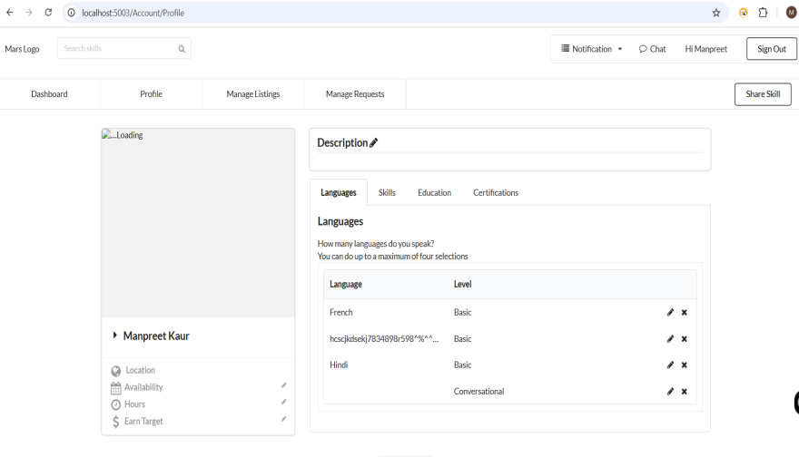
TC_008 | Verify that 'Add New' button will be visible again when we delete any one language from existing 4 | 1. User must be logged in 2. Languages tab should be visible on Profile page 3. 4 languages should already exists | 1. Click on 'Delete' button corresponding to any existing Language | Language- Spanish Language Level- Fluent | 1. User should be able to click on Delete button and validate that particular language should be deleted from your languages - Validate that 'Add New' button should be visible again when we delete any one language from existing 4 | Same as expected | Pass
TC_009 | Verify that Language with empty spaces can be added | 1. User must be logged in 2. Languages tab should be visible on Profile page | 1. Click on 'Add New' button on Languages tab 2. Add empty space in language textfield, 3. Choose Language Level from dropdown list, say 'Conversational' 4. Click on 'Add' button | Language- " " Language Level- Conversational | 1. User should be add to click Add new button 2. User should be able to add empty space in language textfield 3. User should be able to choose language level from dropdown 4. User should be able to click on 'Add' button - Validate that Language with empty spaces should be added | Same as expected | Pass
TC_010 | Verify that an error is thrown while adding same existing language with same level | 1. User must be logged in 2. Languages tab should be visible on Profile page 3. Existing language with same language level should be present | 1. Click on 'Add New' button on Languages tab 2. Add same existing Language in textfield, say 'Hindi' 3. Choose same Language Level from dropdown list, say 'Fluent' 4. Click on 'Add' button | Existing Language- Hindi Existing Language Level- Fluent New Language- Hindi New Language Level- Fluent | 1. User should be add to click Add new button 2. User should be able to add same existing language in language textfield 3. User should be able to choose same language level from dropdown 4. User should be able to click on 'Add' button - Validate that 'This language is already exist in your language list.' error is thrown while adding same existing language with same level | Same as expected | Pass
TC_011 | Verify that 'Duplicated data' error is thrown while adding same existing language with different level | 1. User must be logged in 2. Languages tab should be visible on Profile page 3. Existing language with different language level should be present | 1. Click on 'Add New' button on Languages tab 2. Add same existing Language in textfield, say 'Hindi' 3. Choose same Language Level from dropdown list, say 'Native/Bilingual' 4. Click on 'Add' button | Existing Language- Hindi Existing Language Level- Fluent New Language- Hindi New Language Level- Native/Bilingual | 1. User should be add to click Add new button 2. User should be able to add same existing language in language textfield 3. User should be able to choose different language level from dropdown 4. User should be able to click on 'Add' button - Validate that 'Duplicated data' error is thrown while adding same existing language with different level | Same as expected | Pass
TC_012 | Verify that user logged out successfully | 1. User must be logged in | 1. Click on 'Sign Out' button | Valid email & password | 1. User should be able to logged out successfully | Same as expected | Pass
TC_013 | Verify that user is not able to login with invalid credentials | User already have an account | 1. Open the URL and then click on 'Sign In' link 2. Enter invalid email address and password 3. Click on Login Button | URL- http://localhost:5003/Home Invalid email & password | 1. User should be able to click on 'Sign In' link 2. User should be able to enter invalid email and password 3. User should be able to click on Login button 4. Validate that 'Confirm your email' error should be thrown while adding invalid credentials for login | Same as expected | Pass

Skills
Test Cases for Skills tab around Profile feature in Project Mars
Test case ID | Test Case | Pre-Conditions | Test Steps | Test Data | Expected Result | Actual Result | Status | Screenshots
TC_001 | Verify that user is able to access Skills on profile page | User already have an account | 1. Open the URL and then click on 'Sign In' link 2. Enter email address and password 3. Click on Login Button 4. Verify Skills tab on profile page | URL- http://localhost:5003/Home Valid email & password | 1. User should be able to click on 'Sign In' link 2. User should be able to enter email and password 3. User should be able to click on Login button 4. User should be able to access Skills tab on profile page when logged in | Same as expected | Pass
TC_002 | Verify that user is able to add a new Skill | 1. User must be logged in 2. Skills tab should be visible on Profile page | 1. Click on 'Add New' button on Skills tab 2. Add any Skill in textfield, say 'Agile' 3. Choose Skill Level from dropdown list, say 'Expert' 4. Click on 'Add' button | Skill- Agile Skill Level- Expert | 1. User should be add to click Add new button 2. User should be able to add Skill in Skill textfield 3. User should be able to choose Skill level from dropdown 4. User should be able to click on 'Add' button and - Validate that new Skill should be added successfully | Same as expected | Pass | 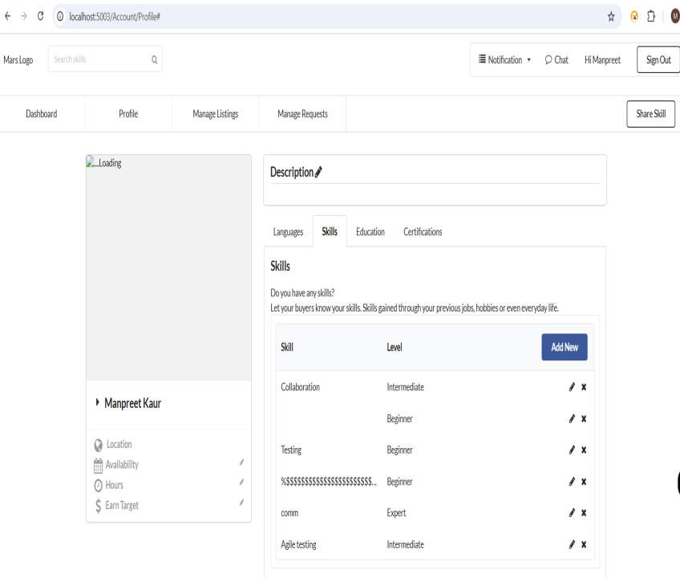
TC_003 | Verify that user is able to update an existing Skill | 1. User must be logged in 2. Skills tab should be visible on Profile page 3. Existing Skill with skill level should be present | 1. Click on 'Update' button corresponding to any existing Skill 2. Update Skill in textfield, say 'Agile' to 'Agile testing' 3. Update Skill Level from dropdown list, say 'Intermediate' 4. Click on 'Update' button | Existing Skill- Agile Existing Skill Level- Expert New Skill- Agile testing New Skill Level- Intermediate | 1. User should be add to click Update button corresponding to existing Skill 2. User should be able to update new skill in Skill textfield 3. User should be able to update new Skill level from dropdown 4. User should be able to click on 'Update' button and - Validate that existing Skill should be updated successfully | Same as expected | Pass
TC_004 | Verify that user is able to delete an existing Skill | 1. User must be logged in 2. Skills tab should be visible on Profile page 3. Existing Skill with skill level should be present | 1. Click on 'Delete' button corresponding to any existing Skill | Skill- Testing Skill Level- Beginner | 1. User should be able to click on Delete button corresponding to existing Skill and - Validate that particular Skill should be deleted from your Skills | Same as expected | Pass
TC_005 | Verify that an error message is displayed while saving a new Skill with empty fields | 1. User must be logged in 2. Skills tab should be visible on Profile page | 1. Click on 'Add New' button on Skills tab | Skill- " " Skill Level- " " | 1. User should be add to click Add new button and - Validate that 'Please enter skill and experience level' error should be displayed on the page | Same as expected | Pass
TC_006 | Verify that there no length limit for 'Skill' textfield and any type of text data can be added including special characters | 1. User must be logged in 2. Skills tab should be visible on Profile page | 1. Click on 'Add New' button on Skills tab 2. Add any long text in textfield having special char, say 'ff$$%%%%@222Hjgjgkjgkjgkjkjgjkg66758787###' 3. Choose Skill Level from dropdown list, say 'Beginner' 4. Click on 'Add' button | Skill- ff$$%%%%@222Hjgjgkjgkjgkjkjgjkg66758787### Skill Level- Beginner | 1. User should be add to click Add new button 2. User should be able to add long text having special char in Skill textfield 3. User should be able to choose Skill level from dropdown 4. User should be able to click on 'Add' button and - Validate that new Skill having special characters should be added successfully | Same as expected | Pass
TC_007 | Verify that user can add any number of Skills | 1. User must be logged in 2. Skills tab should be visible on Profile page | 1. Click on 'Add New' button on Skills tab 2. Add any Skill in textfield, say 'API' 3. Choose Skill Level from dropdown list, say 'Intermediate' 4. Click on 'Add' button 5. Repeat steps 1-4 for four times | Skills- Comm, API, Colloboration, Agile testing, ff$$%%%%@222Hjgjgkjgkjgkjkj Skill Level- Expert, Intermediate, Intermediate, Expert, Beginner | 1. User should be add to click Add new button 2. User should be able to add text in Skill textfield 3. User should be able to choose Skill level from dropdown 4. User should be able to click on 'Add' button and validate Skills should be added 5. Validate that user should be able add any number of Skills and 'Add New' button should always be displayed | Same as expected | Pass
TC_008 | Verify that Skill textbox is also acceptable with empty spaces in the text field | 1. User must be logged in 2. Skills tab should be visible on Profile page | 1. Click on 'Add New' button on Skills tab 2. Add empty space in Skill textfield, 3. Choose Skill Level from dropdown list, say 'Expert' 4. Click on 'Add' button | Skill- " " Skill Level- Expert | 1. User should be add to click Add new button 2. User should be able to add empty space in Skill textfield 3. User should be able to choose Skill level from dropdown 4. User should be able to click on 'Add' button - Validate that Skill with empty spaces should be added | Same as expected | Pass
TC_009 | Verify that an error is thrown while adding same existing Skill with same level | 1. User must be logged in 2. Skills tab should be visible on Profile page 3. Existing Skill with same skill level should be present | 1. Click on 'Add New' button on Skills tab 2. Add same existing Skill in textfield, say 'API' 3. Choose same Skill Level from dropdown list, say 'Intermediate' 4. Click on 'Add' button | Existing Skill- API Existing Skill Level- Intermediate Existing Skill- API Existing Skill Level- Intermediate | 1. User should be add to click Add new button 2. User should be able to add same existing skill in Skill textfield 3. User should be able to choose same Skill level from dropdown 4. User should be able to click on 'Add' button - Validate that 'This skill is already exist in your skill list.' error is thrown while adding same existing Skill with same level | Same as expected | Pass
TC_010 | Verify that 'Duplicated data' error is thrown while adding same existing Skill with different level | 1. User must be logged in 2. Skills tab should be visible on Profile page 3. Existing Skill with different skill level should be present | 1. Click on 'Add New' button on Skills tab 2. Add same existing Skill in textfield, say 'API' 3. Choose different Skill Level from dropdown list, say 'Expert' 4. Click on 'Add' button | Existing Skill- API Existing Skill Level- Intermediate Existing Skill- API Existing Skill Level- Expert | 1. User should be add to click Add new button 2. User should be able to add same existing skill in Skill textfield 3. User should be able to choose different Skill level from dropdown 4. User should be able to click on 'Add' button - Validate that 'Duplicated data' error is thrown while adding same existing Skill with different level | Same as expected | Pass
TC_011 | Verify that Duplicate Skill with empty space with same level can be added | 1. User must be logged in 2. Skills tab should be visible on Profile page 3. Existing Skill with empty space should be present | 1. Click on 'Add New' button on Skills tab 2. Add empty space in Skill textfield, 3. Choose Skill Level from dropdown list, say 'Expert' 4. Click on 'Add' button | Existing Skill- " " Existing Skill Level- Expert Existing Skill- " " Existing Skill Level- Expert | 1. User should be add to click Add new button 2. User should be able to add empty space in Skill textfield 3. User should be able to choose Skill level from dropdown 4. User should be able to click on 'Add' button - Validate that Duplicate Skill with empty spaces with same level should be added | Same as expected | Pass
TC_012 | Verify that user logged out successfully | 1. User must be logged in | 1. Click on 'Sign Out' button | Valid email & password | 1. User should be able to logged out successfully | Same as expected | Pass

